Chart 1
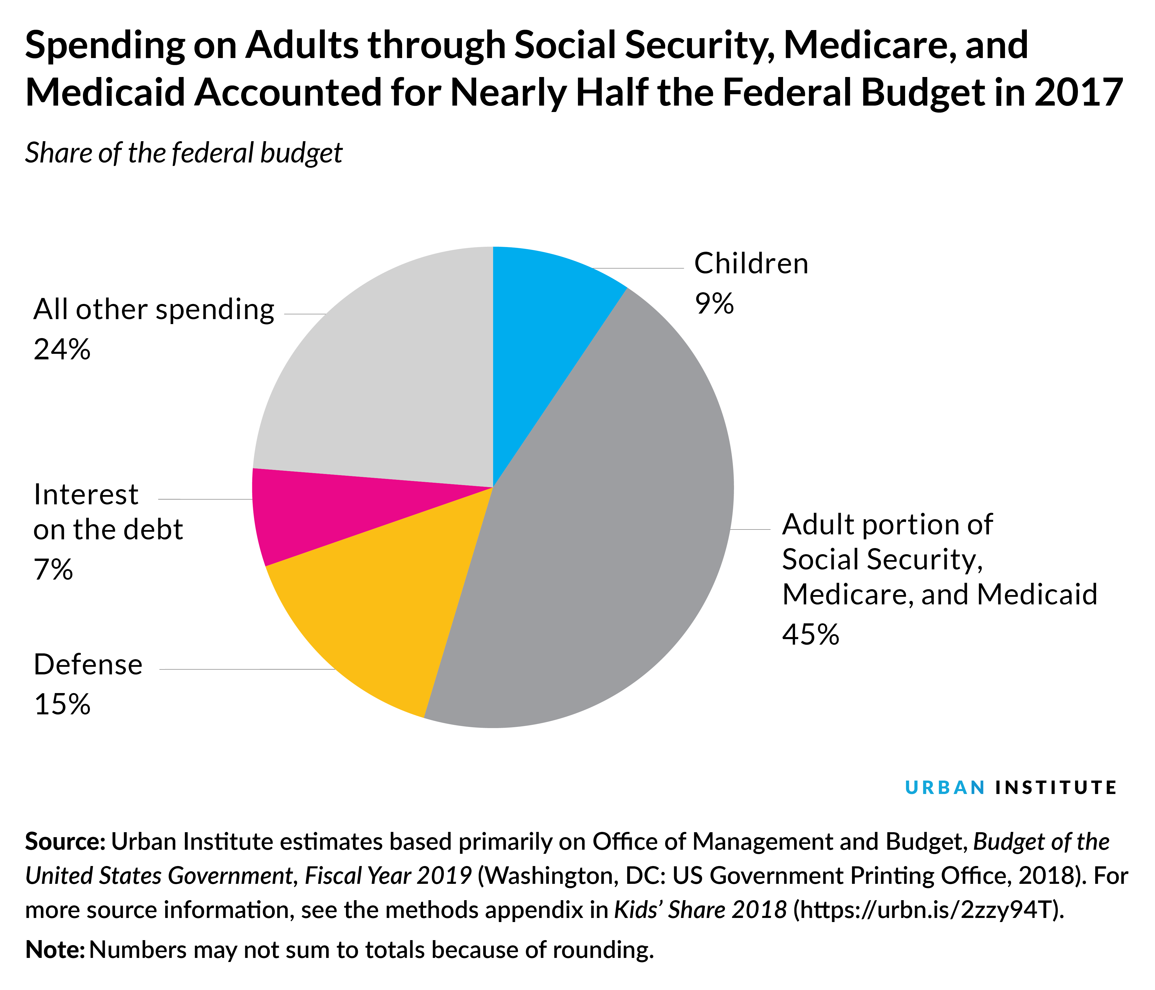
Spending on Adults through Social Security, Medicare, and Medicaid Accounted for Nearly Half the Federal Budget in 2017
Share of the federal budget
 | Spending as a percentage of the federal budget
Major budget items
Children | 9%
Adult portion of Social Security, Medicare, and Medicaid | 45%
Defense | 15%
Interest on the debt | 7%
All other spending | 24%
Source: Urban Institute estimates based primarily on Office of Management and Budget, Budget of the
United States Government, Fiscal Year 2019 (Washington, DC: US Government Printing Office, 2018).
For more source information, see the methods appendix in Kids’ Share 2018 (https://urbn.is/2zzy94T).
Note: Numbers may not sum to totals because of rounding.

Chart 2
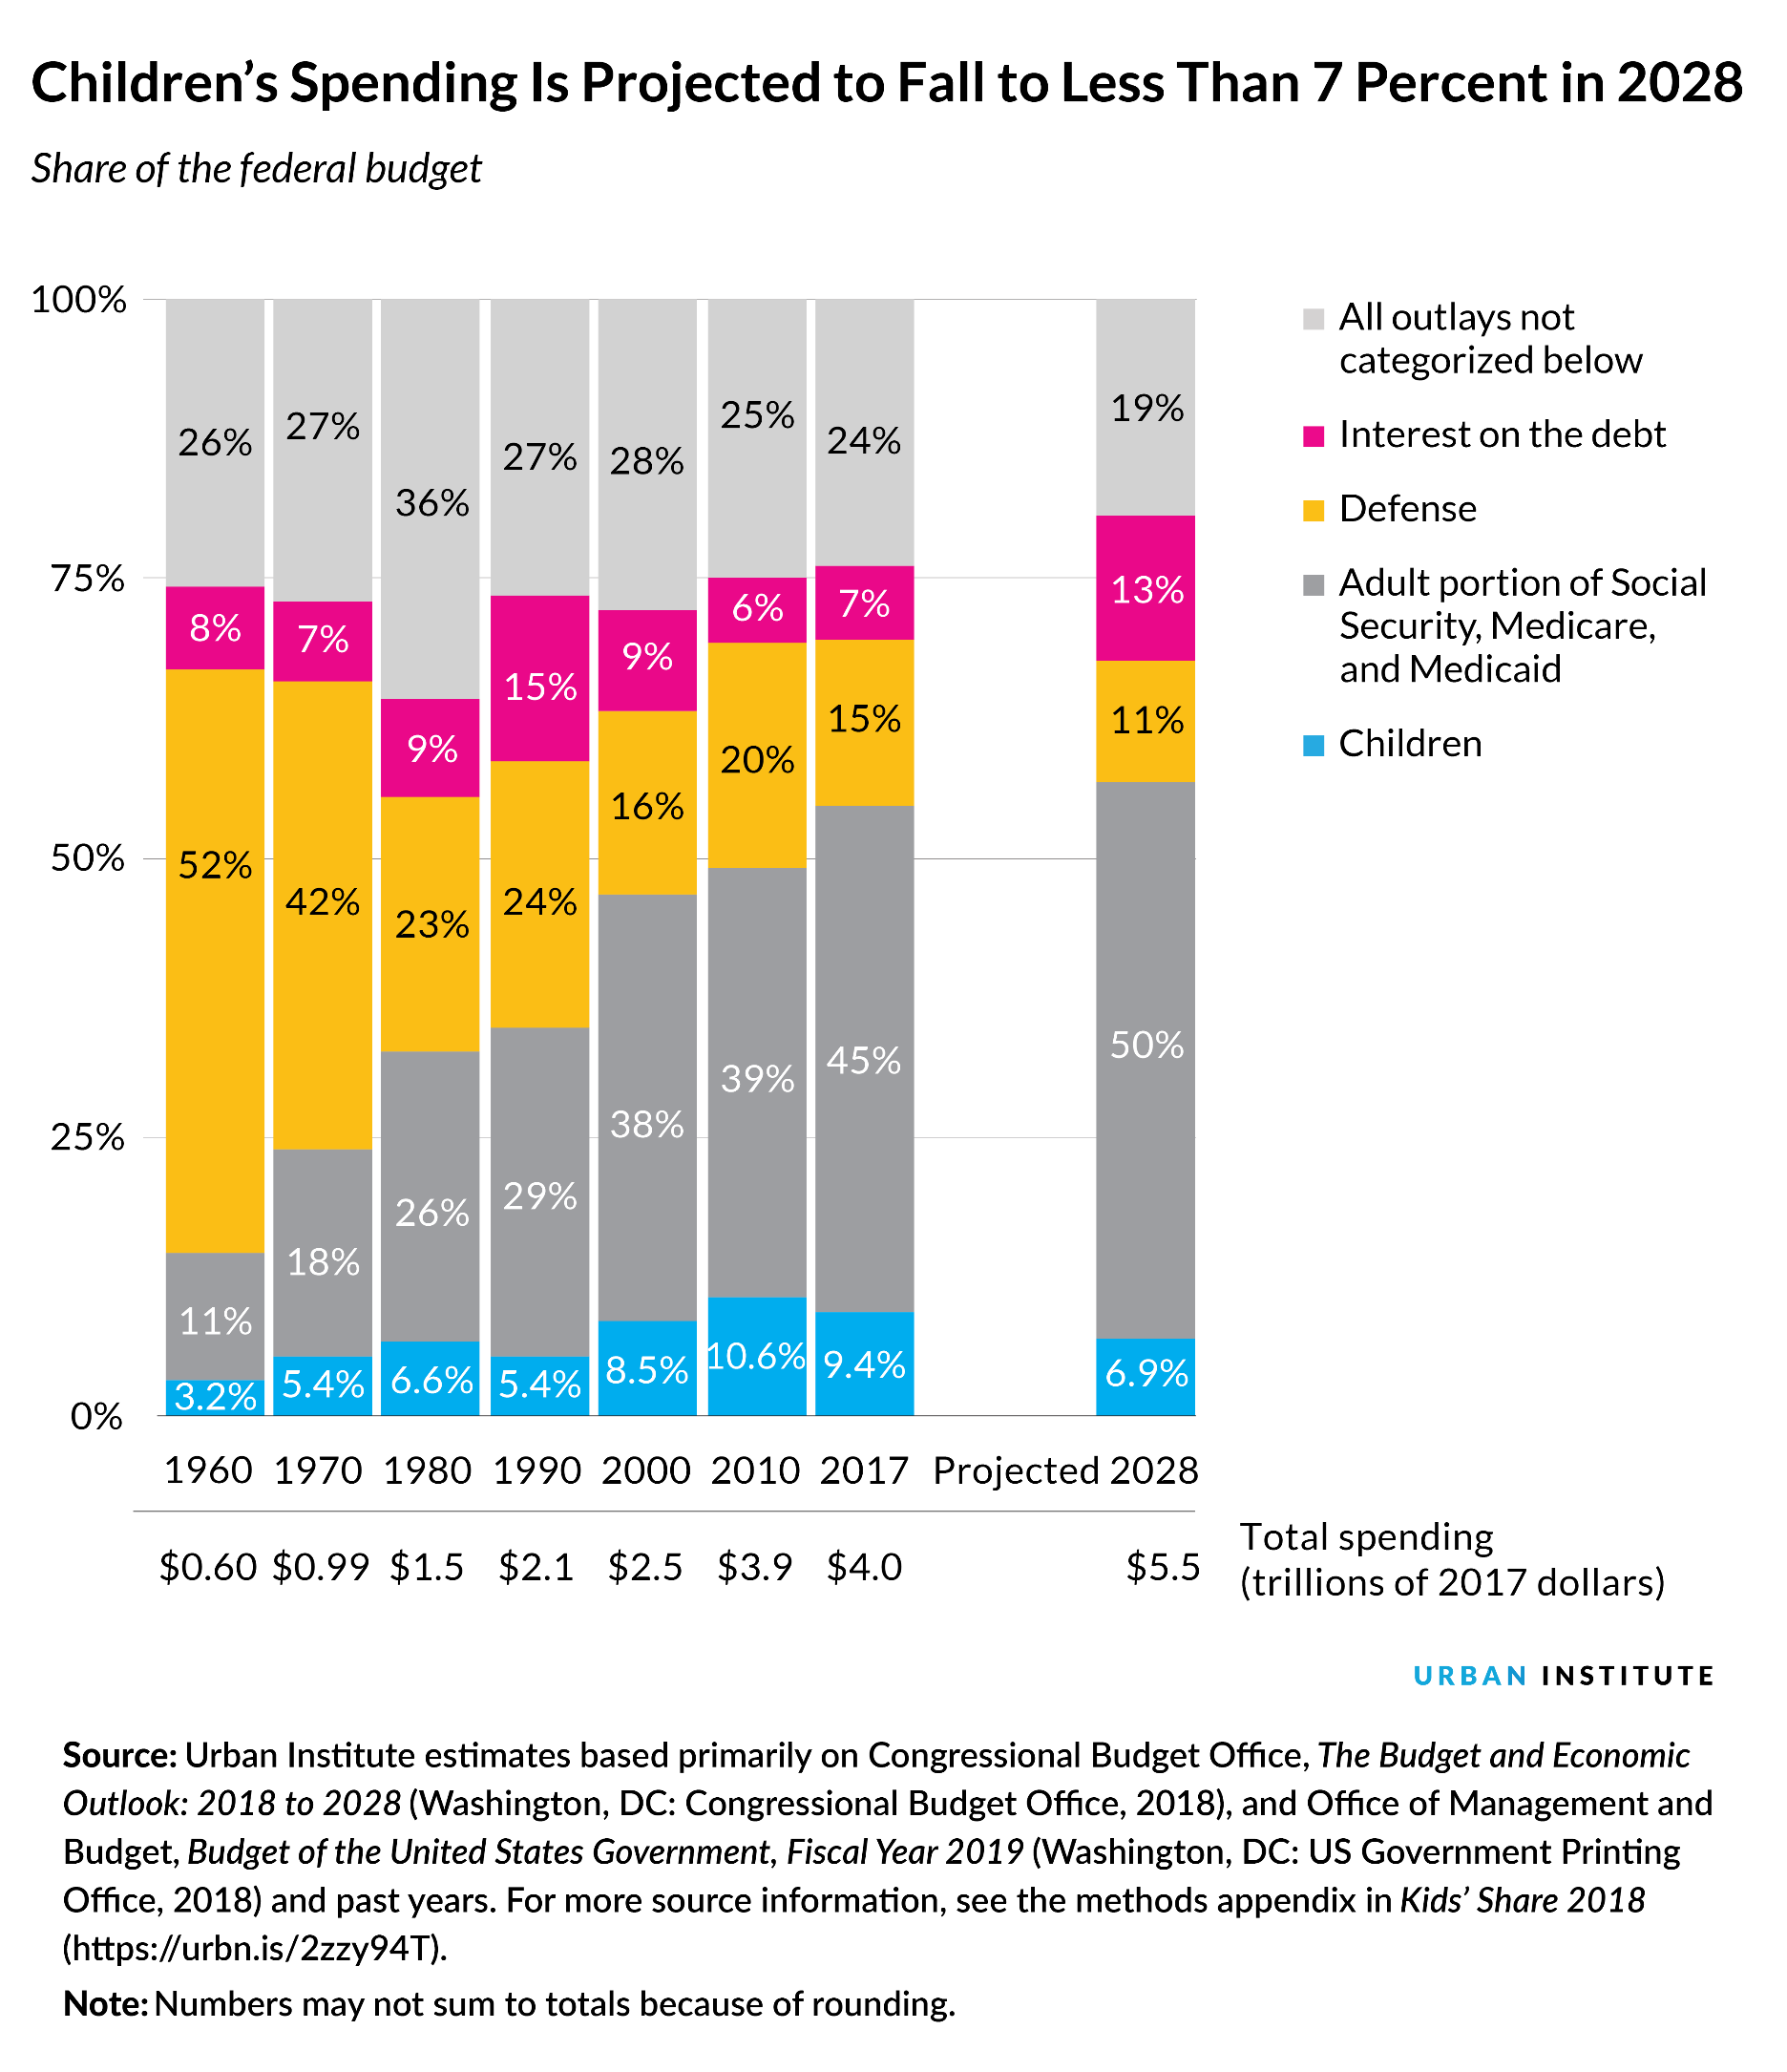
Children’s Spending Is Projected to Fall to Less Than 7 Percent in 2028
Share of the federal budget
 | 1960 | 1970 | 1980 | 1990 | 2000 | 2010 | 2017 | Projected 2028
Major budget items
Children | 3.2% | 5.4% | 6.6% | 5.4% | 8.5% | 10.6% | 9.4% | 6.9%
Adult portion of Social Security, Medicare, and Medicaid | 11% | 18% | 26% | 29% | 38% | 39% | 45% | 50%
Defense | 52% | 42% | 23% | 24% | 16% | 20% | 15% | 11%
Interest on the debt | 8% | 7% | 9% | 15% | 9% | 6% | 7% | 13%
All other spending | 26% | 27% | 36% | 27% | 28% | 25% | 24% | 19%
Total spending (trillions of 2017 dollars) | $0.60 | $0.99 | $1.5 | $2.1 | $2.5 | $3.9 | $4.0 | $5.5
Source: Urban Institute estimates based primarily on Congressional Budget Office, The Budget and Economic Outlook: 2018 to 2028
(Washington, DC: Congressional Budget Office, 2018), and Office of Management and Budget, Budget of the United States Government,
Fiscal Year 2019 (Washington, DC: US Government Printing Office, 2018) and past years. For more source information,
see the methods appendix in Kids’ Share 2018 (https://urbn.is/2zzy94T).
Note: Numbers may not sum to totals because of rounding.

Chart 3
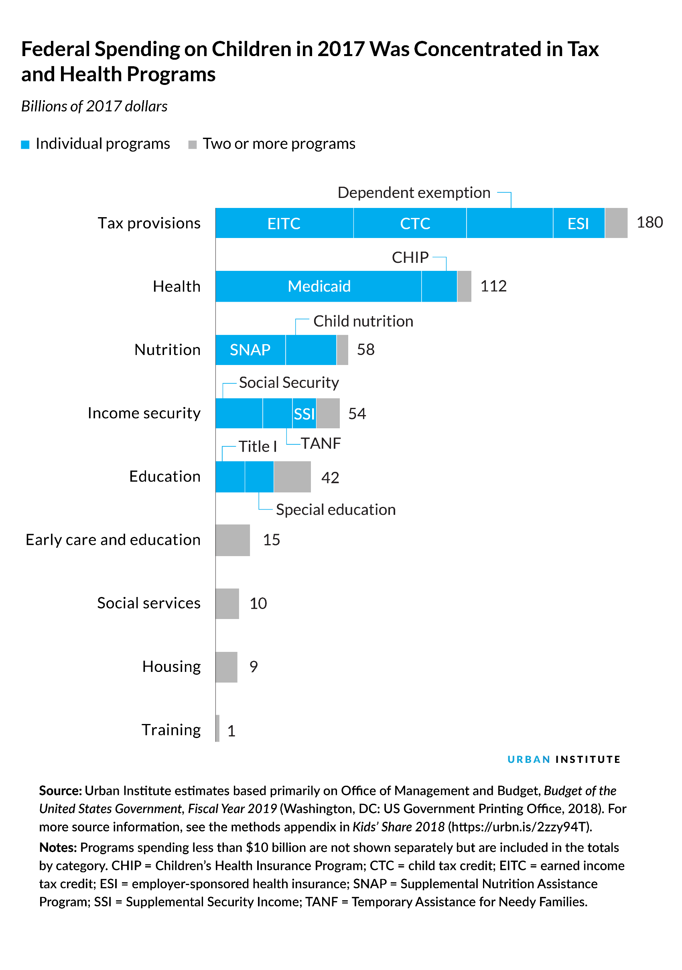
Federal Spending on Children in 2017 Was Concentrated in Tax and Health Programs
Billions of 2017 dollars
 | Federal expenditures on children in 2017
Category and major program
Tax provisions | $180
Earned income tax credit (EITC) | $60
Child tax credit (CTC) | $49
Dependent exemption | $38
Employer-sponsored health insurance (ESI) | $23
Other tax provisions | $10
Health | $112
Medicaid | $90
Children's Health Insurance Program (CHIP) | $15
Other health | $7
Nutrition | $58
Supplemental Nutrition Assistance Program (SNAP) | $31
Child nutrition | $22
Other nutrition | $5
Income security | $54
Social Security | $21
Temporary Assistance for Needy Families (TANF) | $13
Supplemental Security Income (SSI) | $11
Other income security | $10
Education | $42
Title I | $16
Special education | $13
Other education | $13
Early care and education | $15
Social services | $10
Housing | $9
Training | $1
Source: Urban Institute estimates based primarily on Office of Management and Budget,
Budget of the United States Government, Fiscal Year 2019 (Washington, DC: US Government
Printing Office, 2018). For more source information, see the methods appendix in
Kids’ Share 2018 (https://urbn.is/2zzy94T).
Notes: Programs spending less than $10 billion are not shown separately but are included
in the totals by category. Numbers may not sum to totals because of rounding.

Chart 4
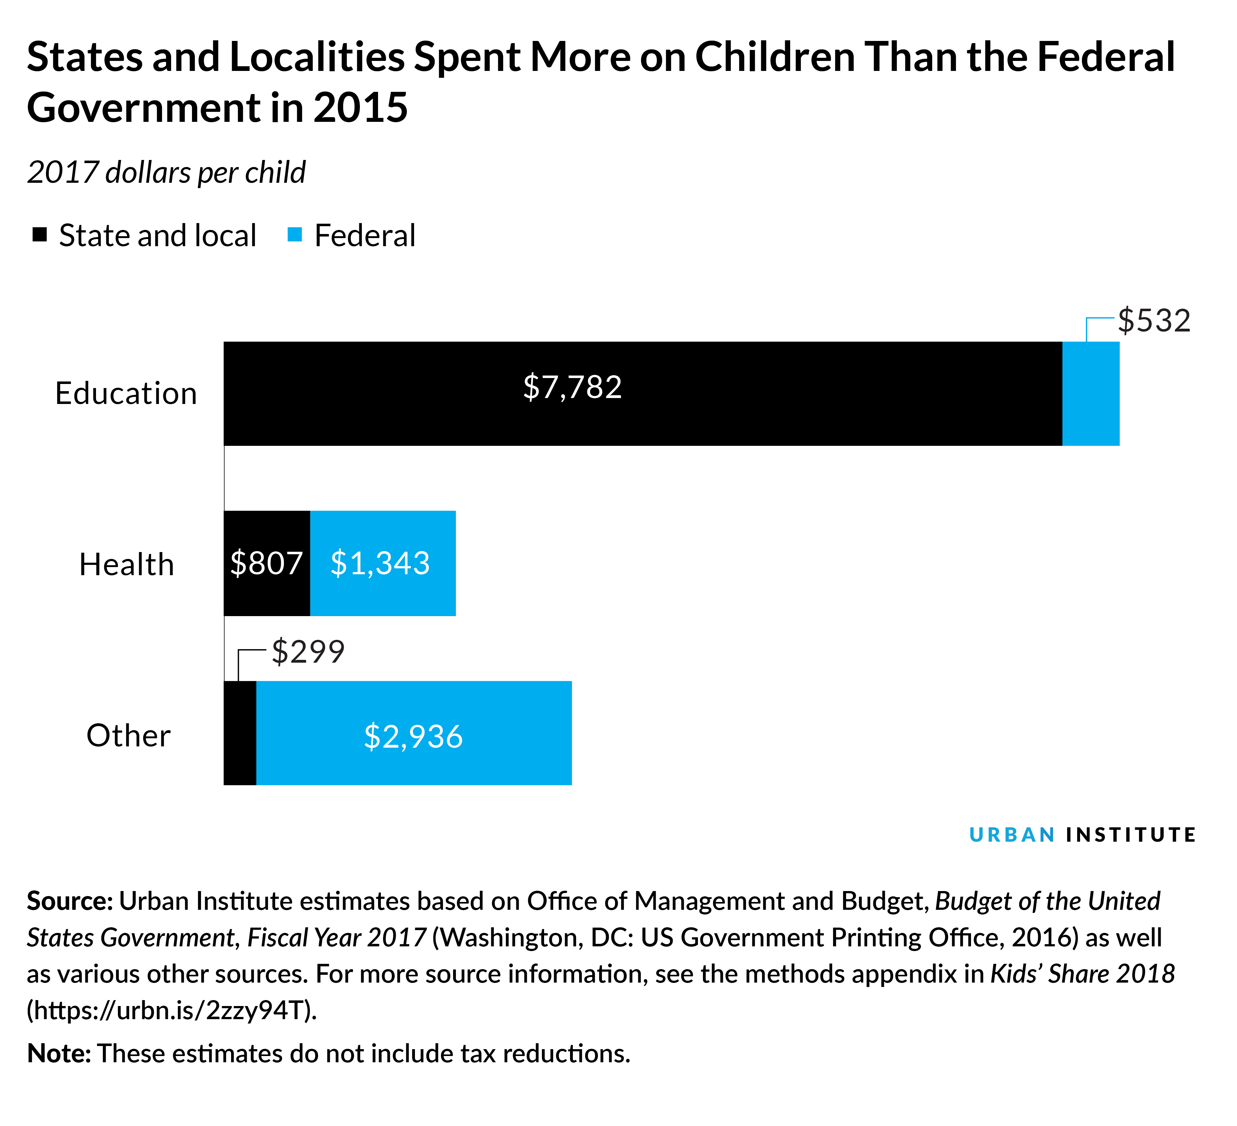
States and Localities Spent More on Children than the Federal Government in 2015
2017 dollars per child
 | State and local | Federal
Category
Education | $7,782 | $532
Health | $807 | $1,343
Other | $299 | $2,936
Source: Urban Institute estimates based on Office of Management
and Budget, Budget of the United States Government, Fiscal Year 2017
(Washington, DC: US Government Printing Office, 2016) as well as
various other sources. For more source information, see the
methods appendix in Kids’ Share 2018 (https://urbn.is/2zzy94T).
Note: These estimates do not include tax reductions.

Chart 5
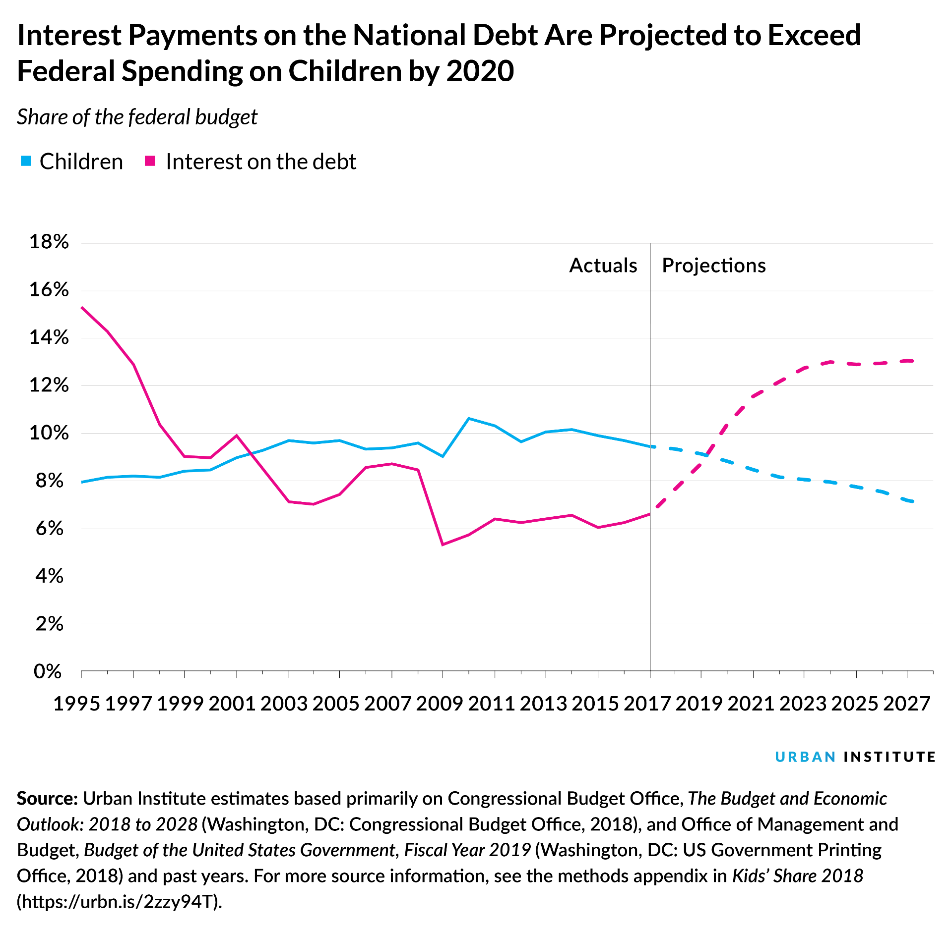
Interest Payments on the National Debt Are Projected to Exceed Federal Spending on Children by 2020
Share of the federal budget
 | Children | Interest on the debt
Year
1995 | 8% | 15%
1996 | 8% | 14%
1997 | 8% | 13%
1998 | 8% | 10%
1999 | 8% | 9%
2000 | 8% | 9%
2001 | 9% | 10%
2002 | 9% | 8%
2003 | 10% | 7%
2004 | 10% | 7%
2005 | 10% | 7%
2006 | 9% | 9%
2007 | 9% | 9%
2008 | 10% | 8%
2009 | 9% | 5%
2010 | 11% | 6%
2011 | 10% | 6%
2012 | 10% | 6%
2013 | 10% | 6%
2014 | 10% | 7%
2015 | 10% | 6%
2016 | 10% | 6%
2017 | 9% | 7%
Projected 2018 | 9% | 8%
Projected 2019 | 9% | 9%
Projected 2020 | 9% | 10%
Projected 2021 | 8% | 12%
Projected 2022 | 8% | 12%
Projected 2023 | 8% | 13%
Projected 2024 | 8% | 13%
Projected 2025 | 8% | 13%
Projected 2026 | 8% | 13%
Projected 2027 | 7% | 13%
Projected 2028 | 7% | 13%
Source: Urban Institute estimates based primarily on Congressional Budget Office,
The Budget and Economic Outlook: 2018 to 2028 (Washington, DC:
Congressional Budget Office, 2018), and Office of Management and Budget,
Budget of the United States Government, Fiscal Year 2019 (Washington, DC:
US Government Printing Office, 2018) and past years. For more source
information, see the methods appendix in Kids’ Share 2018
(https://urbn.is/2zzy94T).

